Sheet1
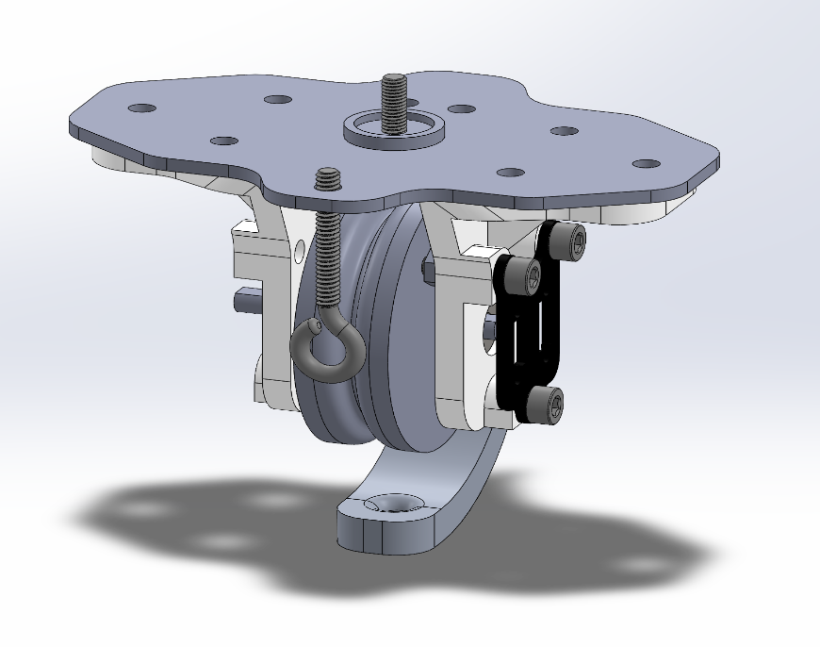
Single Pulley Module
Part Name | Qty | Process/Material | Remark
Table base | 1 | 3D printed (PLA)
5mm Flanged Bearing (16mm OD) | 1 | -
Small scale pulley | 1 | 3D printed (PLA)
Pulley mount | 2 | 3D printed (PLA) | Designed for PLA although mine were printed in PETG
6mm flanged bearing (13mm OD) | 2 | -
Encoder mount | 1 | 3D printed (PLA)
6mm d-shaft (L 55mm) | 1 | 3D printed (PLA) | Steel shaft can be purchased but often run oversized for fitting in bearing
Rope guide | 1 | 3D printed (PLA)
AS5600 magnetic encoder | 1 | - | and accompanying magnet (will be fixed to end of shaft)
M5 eyebolt (L 3.5 cm) | 1 | -
6mm washers (1.2mm thickness) | 6 | Nylon
M5 socket head bolt (L 16mm) | 9 | -
M5 socket head bolt (L 18mm) | 3 | -
M3 screw (L 5mm) | 2 | -
M5 washers (1mm thickness) | 8 | Nylon | Or can use equivalent 8mm spacer
M5 washers | 7 | Steel
M5 hex nuts | 13 | -
M3 hex nuts | 2 | -
M5 extrusion insert nut | 1 | - | If mounting module to aluminum extrusion

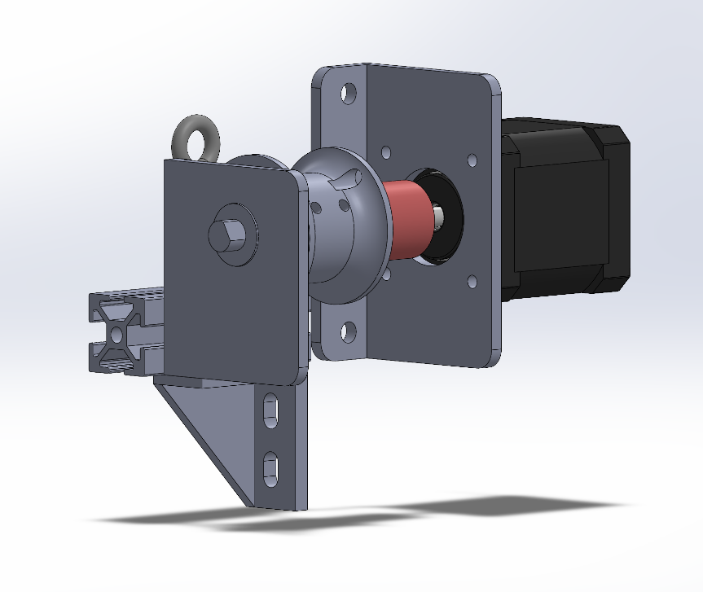
Single Winch Module
Part Name | Qty | Process/Material | Remark
NEMA 17 stepper motor | 1 | -
Motor mount | 1 | 3D printed (PLA)
Winch bearing mount | 1 | 3D printed (PLA)
2020 T-slot profile bar (L 60mm) | 1 | Aluminum
5mm to 8mm shaft coupler | 1 | -
8mm flanged bearing (16mm OD) | 1 | -
Winch spool | 1 | 3D printed (PLA)
8mm d-shaft (L 55mm) | 1 | 3D printed (PLA)
M5 eyebolt (L 3.5 cm) | 1 | -
Extrusion corner bracket | 1 | -
M8 washer (1.4mm thickness) | 1 | Nylon
M5 bolt (L 8mm) | 8 | -
M5 extrusion insert nut | 9 | - | If mounting module to aluminum extrusion
M3 screw (L 10mm) | 2 | -

